ART
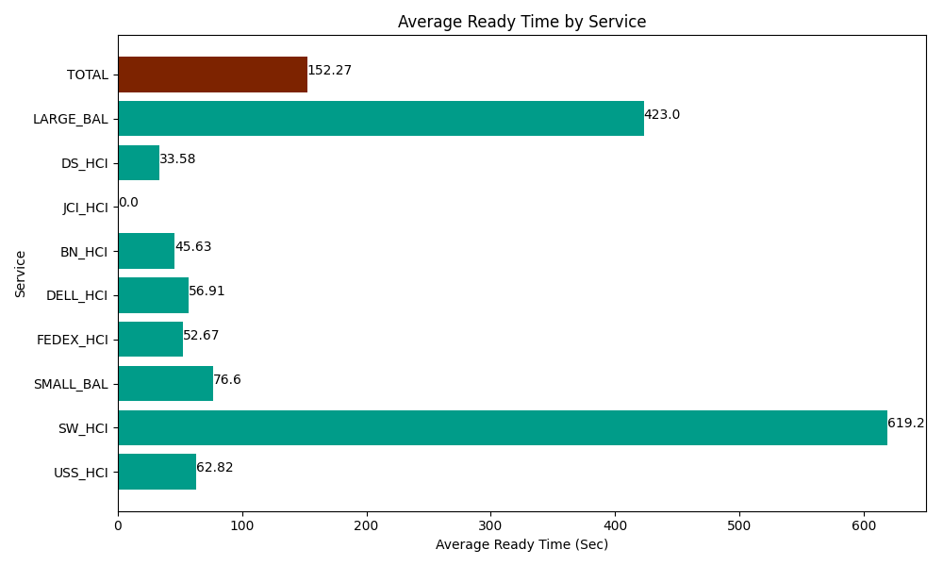
Date | Service | Successful Op Transfer | In Call (Sec) | Ready (Sec) | Wrapup (Sec) | Not Ready (Sec) | Average Ready Time (Sec)
05-03-2024 | USS_HCI | 197 | 34097.999268 | 12375 | 27812.999268 | 19006.199341 | 62.82
05-03-2024 | SW_HCI | 1 | 6.0000000894 | 619.19998169 | 82.200000286 | 26.999999285 | 619.2
05-03-2024 | SMALL_BAL | 113 | 6226.7999268 | 8656.2002563 | 23086.199341 | 13418.999634 | 76.6
05-03-2024 | FEDEX_HCI | 87 | 8788.7997437 | 4582.2001648 | 7350 | 15292.800293 | 52.67
05-03-2024 | DELL_HCI | 119 | 11671.200256 | 6772.7998352 | 39973.198242 | 12031.799927 | 56.91
05-03-2024 | BN_HCI | 862 | 52474.801025 | 39334.200439 | 60505.799561 | 47359.200439 | 45.63
05-03-2024 | JCI_HCI | 0 | 0 | 212.99999714 | 0 | 113.99999857 | 0
05-03-2024 | DS_HCI | 672 | 43689.001465 | 22567.800293 | 71224.797363 | 78958.198242 | 33.58
05-03-2024 | LARGE_BAL | 2 | 121.19999886 | 846.00002289 | 125.99999428 | 72.000002861 | 423
 | TOTAL | 2053 | 157075.80168 | 95966.40099 | 230161.19377 | 186280.19788 | 152.27

